Sheet1
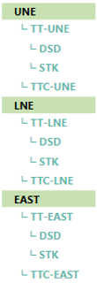
current | New

 | TOTAL TT

 | Total Geo WEST
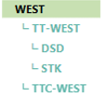
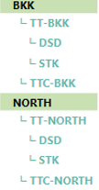

 | Total Geo EAST

Sheet2
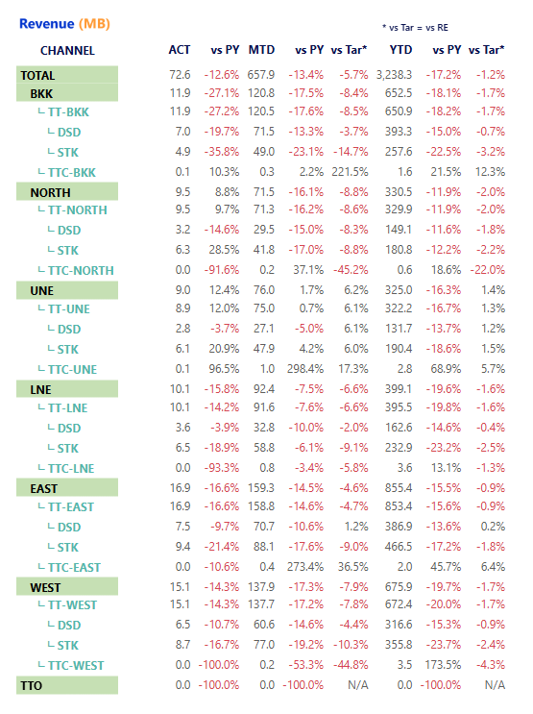
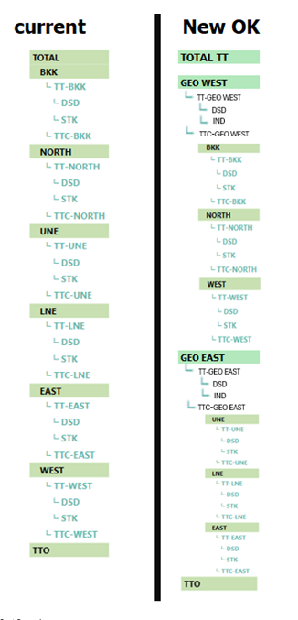
3 | 4 | 1 | 2
 |  |  |  |  |  |  |  | Total |  |  |  |  |  |  | 1 |  |  | Total |  |  |  |  |  |  | 1
Total |  |  |  |  |  | 1 |  |  | Total Geo WEST |  |  |  |  |  |  |  | 10-2 |  | Total Geo WEST |  |  |  |  |  |  |  | 2
 | BKK |  |  |  |  |  | 10-1 |  |  | BKK |  |  |  |  |  | 10-1 |  |  |  | TT-GEO WEST |  |  |  |  |  |  |  | 3
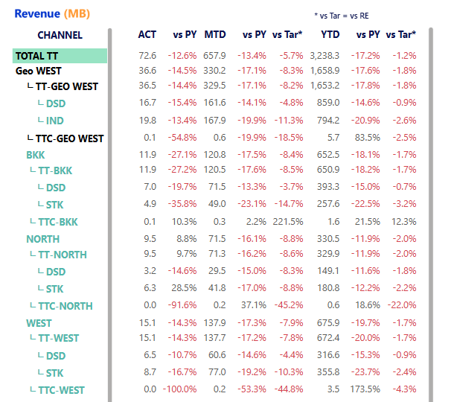
 |  | TT-BKK |  | 10 |  |  |  |  |  |  | TT-BKK |  | 10 |  |  |  |  |  |  |  | DSD |  |  |  |  |  |  |  | 4
 |  |  | DSD |  | 11 |  |  |  |  |  |  | DSD |  | 11 |  |  |  |  |  |  | IND |  |  |  |  |  |  |  | 5
 |  |  | STK |  | 12 |  |  |  |  |  |  | STK |  | 12 |  |  |  |  |  | TTC-GEO WEST |  |  |  |  |  |  |  | 6
 |  | TTC-BKK |  | 20 |  |  |  |  |  |  | TTC-BKK |  | 20 |  |  |  |  |  |  | BKK |  |  |  |  |  | 10-1
 | NORTH |  |  |  |  |  | 30-1 |  |  | NORTH |  |  |  |  |  | 30-1 |  |  |  |  | TT-BKK |  | 10
 |  | TT-NORTH |  | 30 |  |  |  |  |  |  | TT-NORTH |  | 30 |  |  |  |  |  |  |  |  | DSD |  | 11
 |  |  | DSD |  | 31 |  |  |  |  |  |  | DSD |  | 31 |  |  |  |  |  |  |  | STK |  | 12
 |  |  | STK |  | 32 |  |  |  |  |  |  | STK |  | 32 |  |  |  |  |  |  | TTC-BKK |  | 20
 |  | TTC-NORTH |  | 40 |  |  |  |  |  |  | TTC-NORTH |  | 40 |  |  |  |  |  |  | NORTH |  |  |  |  |  | 30-1
 | UNE |  |  |  |  |  | 50-1 |  |  | WEST |  |  |  |  |  | 50-1 |  |  |  |  | TT-NORTH |  | 30
 |  | TT-UNE |  | 50 |  |  |  |  |  |  | TT-WEST |  | 50 |  |  |  |  |  |  |  |  | DSD |  | 31
 |  |  | DSD |  | 51 |  |  |  |  |  |  | DSD |  | 51 |  |  |  |  |  |  |  | STK |  | 32
 |  |  | STK |  | 52 |  |  |  |  |  |  | STK |  | 52 |  |  |  |  |  |  | TTC-NORTH |  | 40
 |  | TTC-UNE |  | 60 |  |  |  |  |  |  | TTC-WEST |  | 60 |  |  |  |  |  |  | WEST |  |  |  |  |  | 50-1
 | LINE |  |  |  |  |  | 70-1 |  | Total Geo WEST |  |  |  |  |  |  |  | 70-2 |  |  |  | TT-WEST |  | 50
 |  | TT-LINE |  | 70 |  |  |  |  |  | UNE |  |  |  |  |  | 70-1 |  |  |  |  |  | DSD |  | 51
 |  |  | DSD |  | 71 |  |  |  |  |  | TT-UNE |  | 70 |  |  |  |  |  |  |  |  | STK |  | 52
 |  |  | STK |  | 72 |  |  |  |  |  |  | DSD |  | 71 |  |  |  |  |  |  | TTC-WEST |  | 60
 |  | TTC-LINE |  | 80 |  |  |  |  |  |  |  | STK |  | 72 |  |  |  |  | Total Geo WEST |  |  |  |  |  |  |  | 61
 | EAST |  |  |  |  |  | 90-1 |  |  |  | TTC-UNE |  | 80 |  |  |  |  |  |  | TT-GEO EAST |  |  |  |  |  |  |  | 62
 |  | TT-EAST |  | 90 |  |  |  |  |  | LINE |  |  |  |  |  | 90-1 |  |  |  |  | DSD |  |  |  |  |  |  |  | 63
 |  |  | DSD |  | 91 |  |  |  |  |  | TT-LINE |  | 90 |  |  |  |  |  |  |  | IND |  |  |  |  |  |  |  | 64
 |  |  | STK |  | 92 |  |  |  |  |  |  | DSD |  | 91 |  |  |  |  |  | TTC-GEO EAST |  |  |  |  |  |  |  | 65
 |  | TTC-EAST |  | 100 |  |  |  |  |  |  |  | STK |  | 92 |  |  |  |  |  | UNE |  |  |  |  |  | 70-1
 | WEST |  |  |  |  |  | 110-1 |  |  |  | TTC-LINE |  | 100 |  |  |  |  |  |  |  | TT-UNE |  | 70
 |  | TT-WEST |  | 110 |  |  |  |  |  | EAST |  |  |  |  |  | 110-1 |  |  |  |  |  | DSD |  | 71
 |  |  | DSD |  | 111 |  |  |  |  |  | TT-EAST |  | 110 |  |  |  |  |  |  |  |  | STK |  | 72
 |  |  | STK |  | 112 |  |  |  |  |  |  | DSD |  | 111 |  |  |  |  |  |  | TTC-UNE |  | 80
 |  | TTC-WEST |  | 120 |  |  |  |  |  |  |  | STK |  | 112 |  |  |  |  |  | LINE |  |  |  |  |  | 90-1
 | TTO |  |  | 130 |  |  |  |  |  |  | TTC-EAST |  | 120 |  |  |  |  |  |  |  | TT-LINE |  | 90
 |  |  |  |  |  |  |  |  |  | TTO |  |  | 130 |  |  |  |  |  |  |  |  | DSD |  | 91
 |  |  |  |  |  |  |  |  |  |  |  |  |  |  |  |  |  |  |  |  |  | STK |  | 92
 |  |  |  |  |  |  |  |  |  |  |  |  |  |  |  |  |  |  |  |  | TTC-LINE |  | 100
 |  |  |  |  |  |  | 150 |  |  |  |  |  |  |  |  |  |  |  |  | EAST |  |  |  |  |  | 110-1
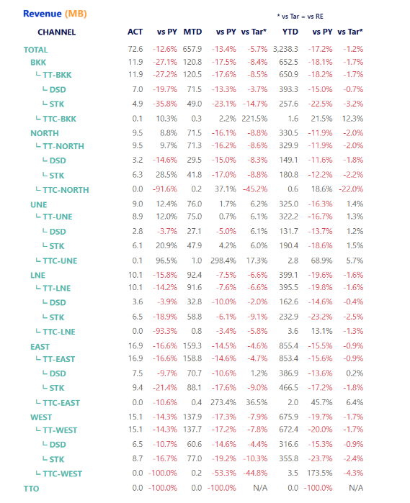
 |  |  |  |  |  |  |  |  |  |  |  |  |  |  |  | 150 |  |  |  |  | TT-EAST |  | 110
 |  |  |  |  |  |  |  |  |  |  |  |  |  |  |  |  |  |  |  |  |  | DSD |  | 111
 |  |  |  |  |  |  |  |  |  |  |  |  |  |  |  |  |  |  |  |  |  | STK |  | 112
 |  |  |  |  |  |  |  |  |  |  |  |  |  |  |  |  |  |  |  |  | TTC-EAST |  | 120
 |  |  |  |  |  |  |  |  |  |  |  |  |  |  |  |  |  |  |  | TTO |  |  | 130

 |  |  |  |  |  |  |  |  |  |  |  |  |  |  |  |  |  |  |  |  |  |  |  |  |  | 150

